Sheet
cid | tokenNumber | firstName | middleName | lastName | dob | nationality | gender | firstIssueDate | cidExpireDate | houseHoldNumber | houseNumber | thramNumber | dzongkhagName | gewogName | villageName | fatherName | motherName | religion | contactNumber | email | tpn | fixedLineNumber | maritalStatus | spouseName | spouseCid | spouseCidExpDate | presentDzongkhagName | presentGewogName | presentVillageName | educationQualification | employmentStatus | organizationAddress | organizationName | officeNumber | careOfName | careOfRelationship | careOfCid | careOfAddress | sourceOfIncome | annualIncomeRange | customerType | updatedAt | cidImage | selfieImage
11107003747 | D-B-AJC000063 | Jigme |  | Choeling | 1991-10-12 |  | M |  | 2023-12-26 | 110700415 | NA-3-268 | 245 | Samdrupjongkhar | Deothang | Martang | Late Ugyen Dorji | Tenzin Wangmo | Buddhist | 17267160 |  |  |  | Single |  |  |  | Thimphu | Lingzhi | Cheybesa | Diploma | Employed | yangkhor | YANGKHOR |  |  |  |  |  |  | 0 - 100,000, 0 - 100,000 | Services | 2023-05-03 | 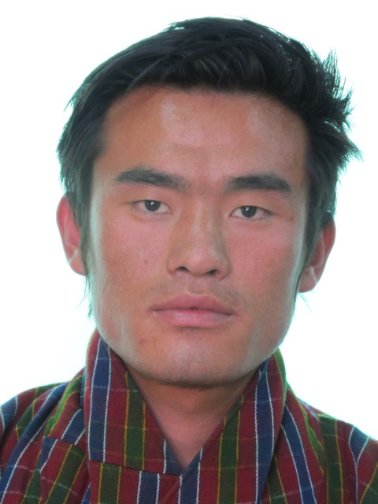 | 